Bug 01
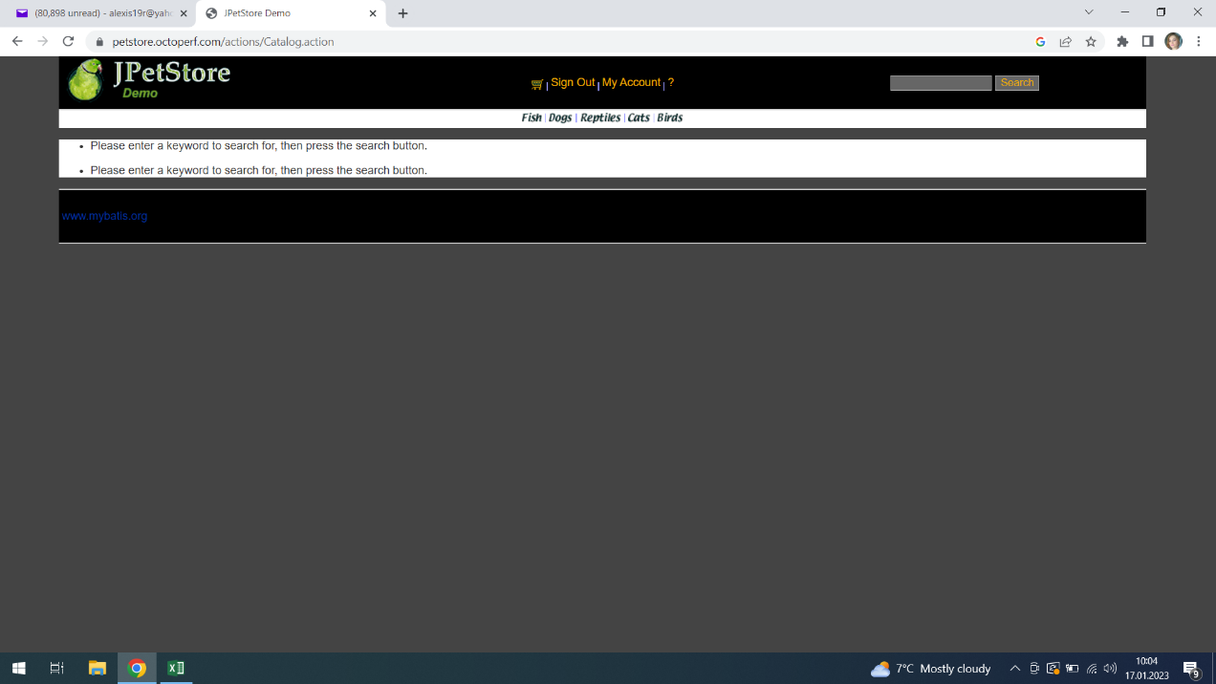
 |  | BUG_001 | Defect Description | When user search page with blank terms a doubled message appears
Created By |  | Andreea | Assigned to | Raluca |  | Version |  | 2.1
 |  |  |  |  |  | Fixed in Version
QA Tester’s Log |  |  |  |  |  | Status |  | Open
 |  |  |  |  |  | Affects Component |  | Search
Tester's Name |  | Andreea | Severity | Medium |  | Related Test Case

S # | Prerequisites: |  |  | S # | Test Data
1 | Acces to Chrome |  |  | 1
2 |  |  |  | 2
3 |  |  |  | 3
4 |  |  |  | 4

Test Scenario |  | Check the functionality of the search bar when search is made blank

Step # | Step Details |  | Expected Results | Actual Results |  |  | Pass / Fail / Not executed / Suspended

1 | Go to petstore.octoperf.com/actions/Catalog.action |  | site should open | As Expected |  |  | Pass
2 | Leave the searh bar blank and click on the searh button |  | a search page should open | The page shows a doubled message - ,, Please enter a keyword to search for, then press the search button,, |  |  | Failed
3
4
5

Bug 02
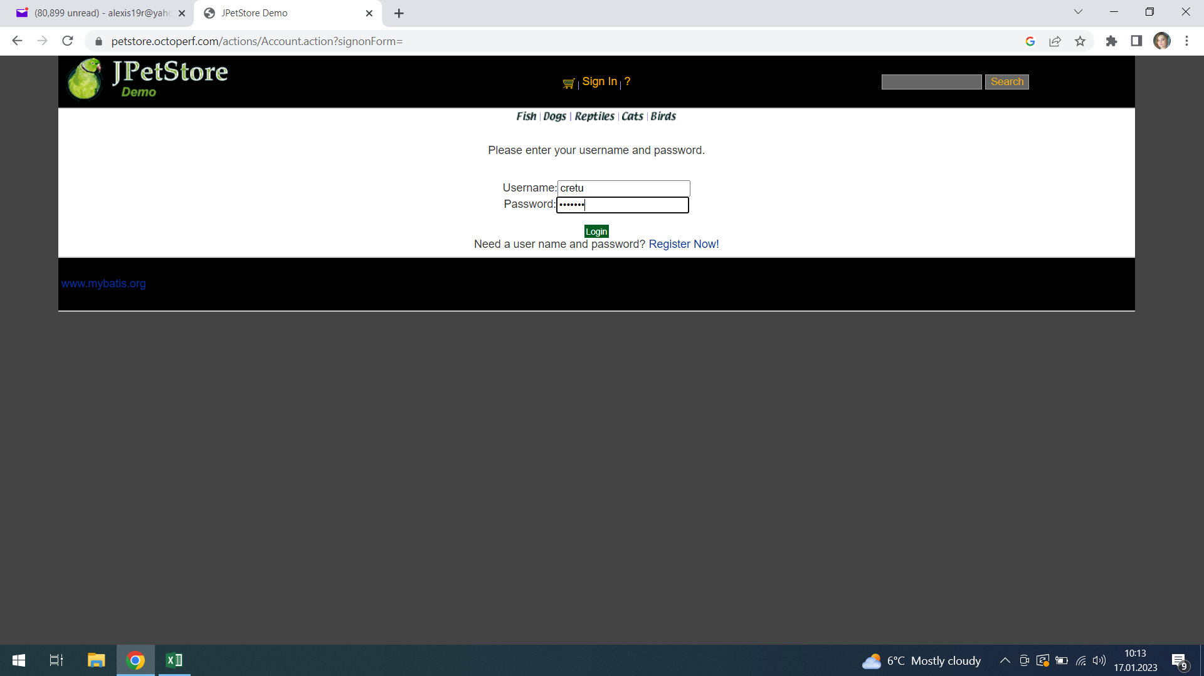
Defect ID |  | BUG_002 | Defect Description | There is no ,, see my password button,,
Created By |  | Andreea | Assigned to Raluca |  |  | Version |  | 2.1
 |  |  |  |  |  | Fixed in Version
QA Tester’s Log |  |  |  |  |  | Status |  | Open
 |  |  |  |  |  | Affects Component |  | Sign In
Tester's Name |  | Andreea | Severity | Medium |  | Related Test Case

S # | Prerequisites: |  |  | S # | Test Data
1 | Access to Chrome Browser |  |  | 1 | user - cretu
2 |  |  |  | 2 | password - cretu 24
3 |  |  |  | 3
4 |  |  |  | 4

Test Scenario | Check the Password field for Button ,, see my password,,

Step # | Step Details |  | Expected Results | Actual Results |  |  | Pass / Fail / Not executed / Suspended

1 | Go to petstore.octoperf.com/actions/Catalog.action |  | site should open | As Expected |  |  | Pass
2 | Click on the Sign in button |  | Credentials shoul be entered | As Expected |  |  | Pass
3 | Check to see if the button ,, see my password ,, exists |  | The button should pe present | The button doesn t exist |  |  | Failed
4
5

Bug 03
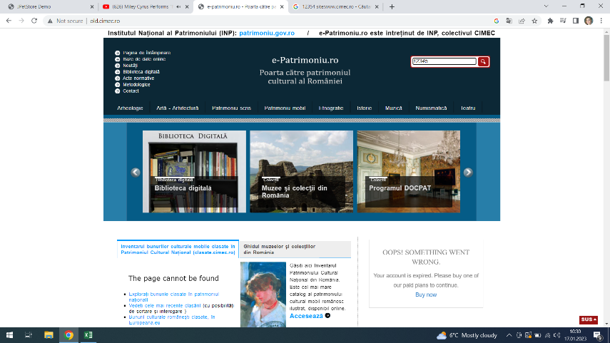
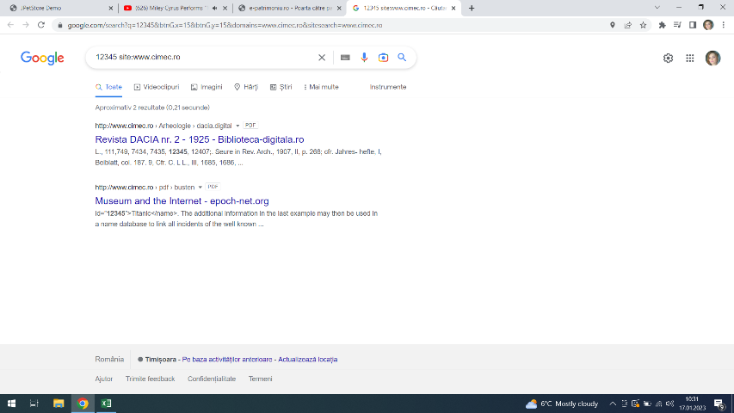
Defect ID |  | BUG_003 | Defect Description | When numbers are typed in the search bar another tab/page opens
Created By |  | Andreea | Assigned to | Raluca |  | Version |  | 2.1
 |  |  |  |  |  | Fixed in Version
QA Tester’s Log |  | Review comments from Bill incorprate in version 2.1 |  |  |  | Status |  | Open
 |  |  |  |  |  | Affects Component |  | Search
Tester's Name |  | Andreea | Severity | LOW |  | Related Test Case

S # | Prerequisites: |  |  | S # | Test Data
1 | Access to Chrome Browser |  |  | 1
2 |  |  |  | 2
3 |  |  |  | 3
4 |  |  |  | 4

Test Scenario | Check the search bar respone when numbers are typed

Step # | Step Details |  | Expected Results | Actual Results |  |  | Pass / Fail / Not executed / Suspended

1 | Go to old.cimec.ro |  | Site should open | As Expected |  |  | Pass
2 | Click on the Search bar |  | Search bar responsive | As Expected |  |  | Pass
3 | Write 12345 |  | Site should dislpay a search page | The site opens another tab/page |  |  | Failed
4
5

Bug 04
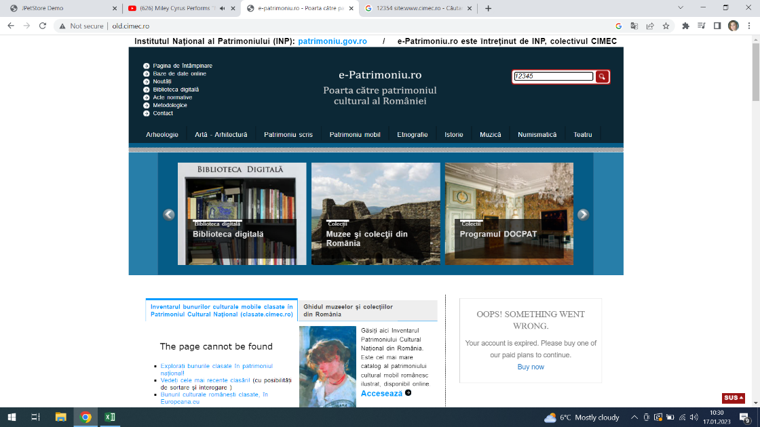
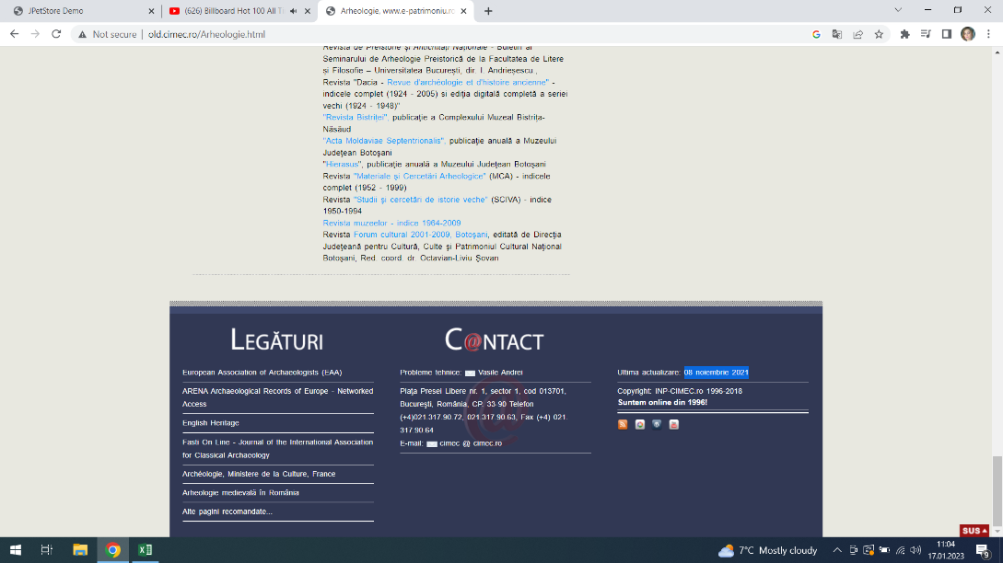
Defect ID |  | BUG_004 | Defect Description - The site has an outdated actualisation
Created By |  | Andreea | Assigned to | Raluca |  | Version |  | 2.1
 |  |  |  |  |  | Fixed in Version
QA Tester’s Log |  |  |  |  |  | Status |  | Open
 |  |  |  |  |  | Affects Component
Tester's Name |  | Andreea | Severity | Medium |  | Related Test Case

S # | Prerequisites: |  |  | S # | Test Data
1 | Access to Chrome Browser |  |  | 1
2 |  |  |  | 2
3 |  |  |  | 3
4 |  |  |  | 4

Test Scenario | Check the Sites Copyright info

Step # | Step Details |  | Expected Results | Actual Results |  |  | Pass / Fail / Not executed / Suspended

1 | Go to old.cimec.ro |  | Site should open | As Expected |  |  | Pass
2 | Go to Pages Copyright section |  | Site should have updated Copyright section | Site has an outdated actualisation |  |  | Failed
3
4
5

Bug 05
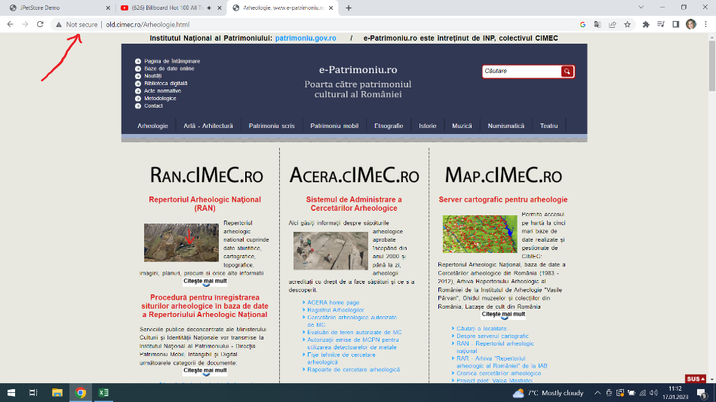
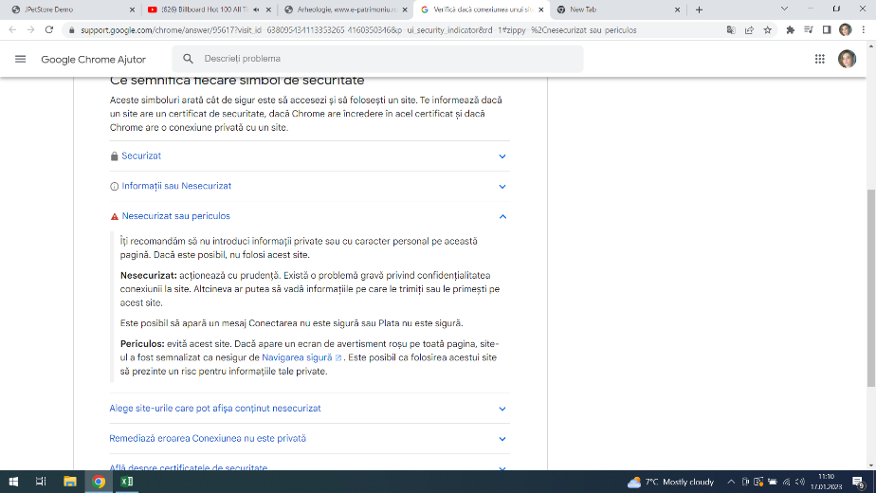
B |  | BUG_005 | Defect Description | Site is not secured
Created By |  | Andreea | Assigned to | Raluca |  | Version |  | 2.1
 |  |  |  |  |  | Fixed in Version
QA Tester’s Log |  | Review comments from Bill incorprate in version 2.1 |  |  |  | Status |  | Open
 |  |  |  |  |  | Affects Component |  | Security
Tester's Name |  | Andreea | Severity | Medium |  | Related Test Case

S # | Prerequisites: |  |  | S # | Test Data
1 | Access to Chrome Browser |  |  | 1
2 |  |  |  | 2
3 |  |  |  | 3
4 |  |  |  | 4

Test Scenario | Check the Security of the Site

Step # | Step Details |  | Expected Results | Actual Results |  |  | Pass / Fail / Not executed / Suspended

1 | Go to old.cimec.ro |  | Site should open | As Expected |  |  | Pass
2 | Chech the Security of the page |  | Site should be Secured | Site is not secured |  |  | Failed
3
4
5

